Navigation
SmartPLS report
Please cite the use of SmartPLS: Ringle, C. M., Wende, S., and Becker, J.-M. 2024. "SmartPLS 4." Bönningstedt: SmartPLS, https://www.smartpls.com.
 | complete
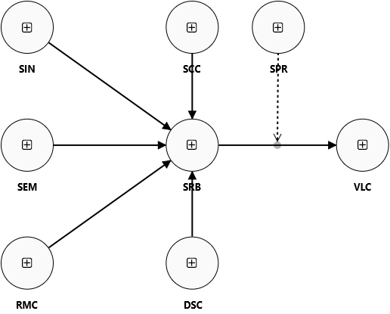
Final results
PLSpredict MV summary
PLSpredict LV summary
CVPAT LV summary
MV predictions and errors
LV predictions and errors

Algorithm
Setting
Execution log

Histograms
PLS-SEM MV error histogram
LM MV prediction error
PLS-SEM LV error histogram

Model and data
Inner model
Outer model
Indicator data (original)
Indicator data (standardized)

complete Charts
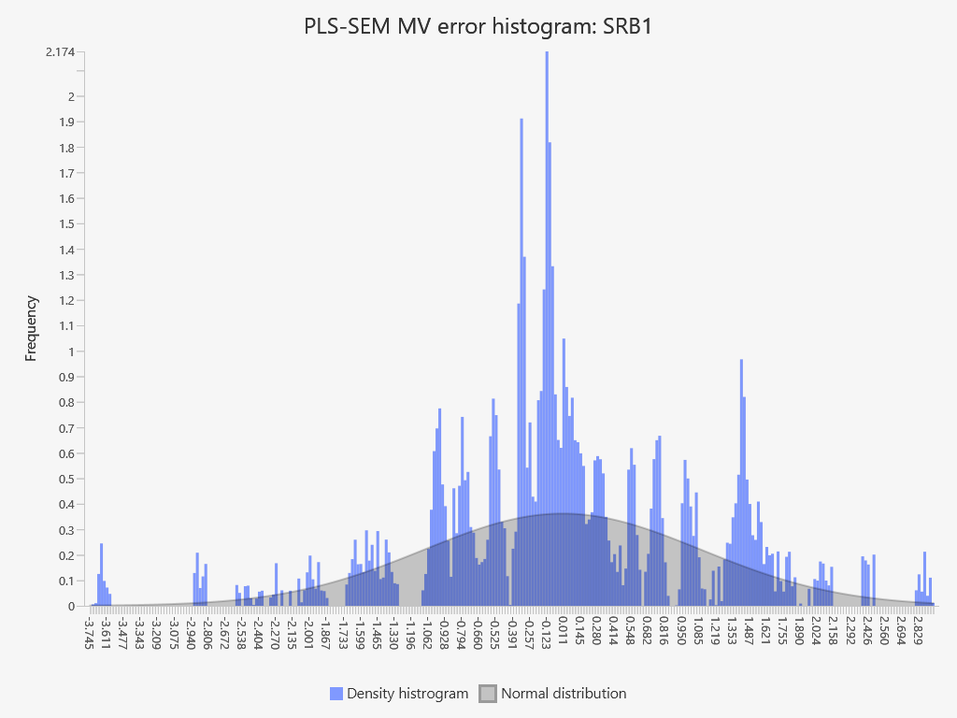
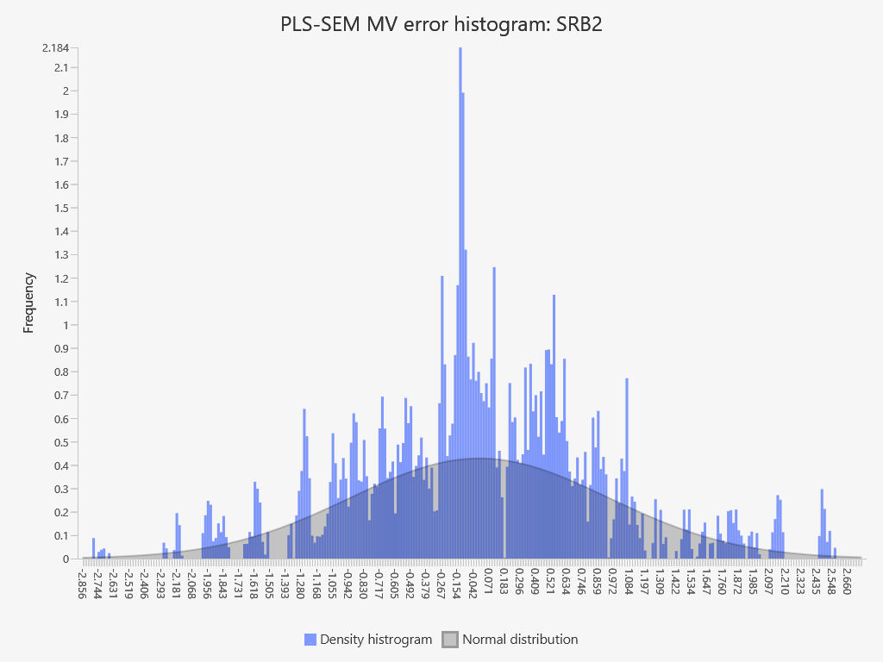
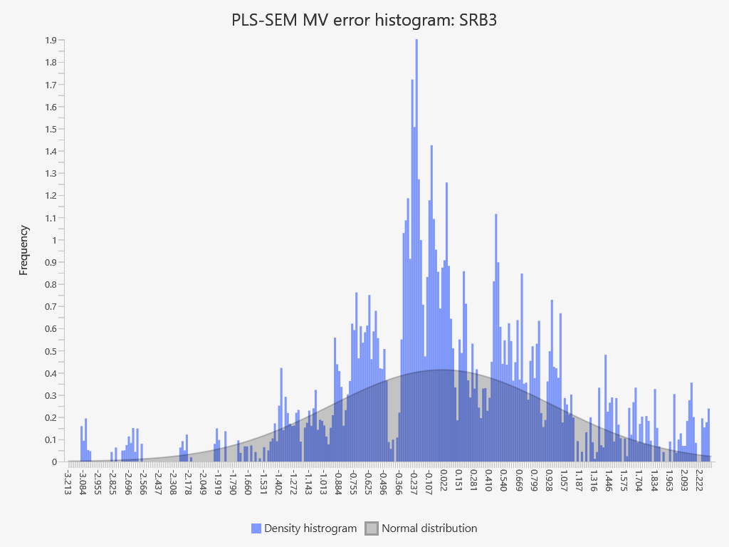
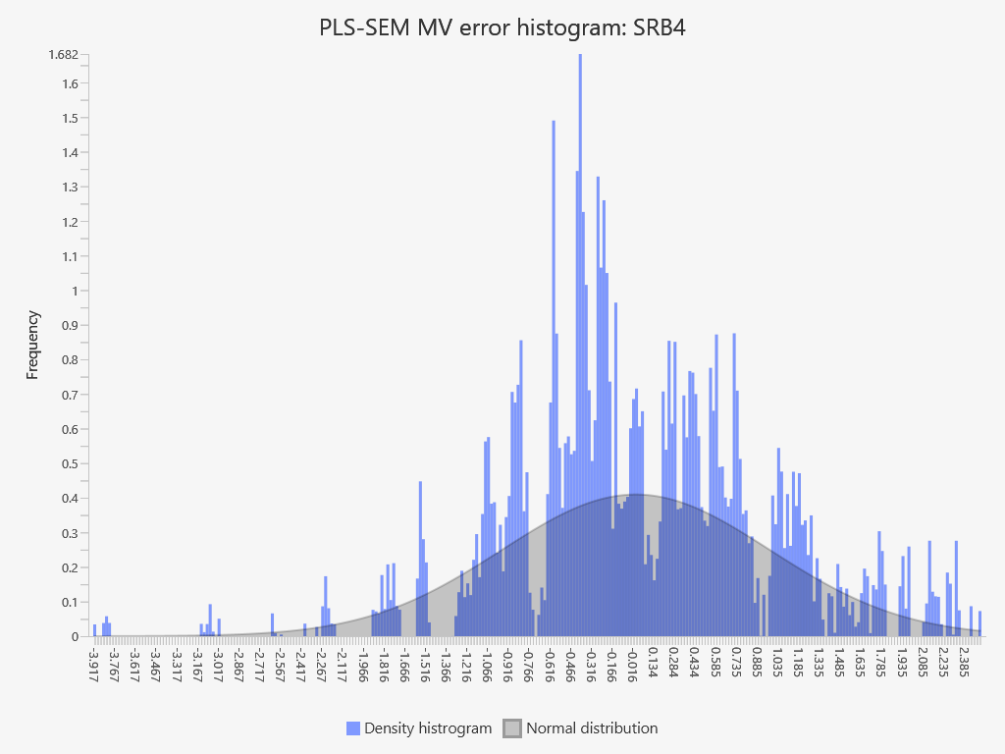
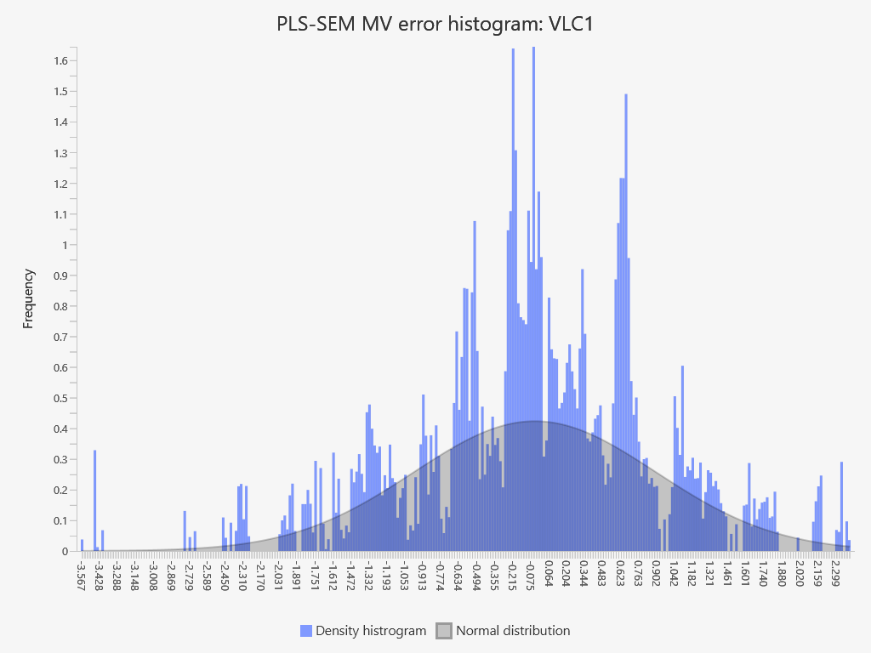
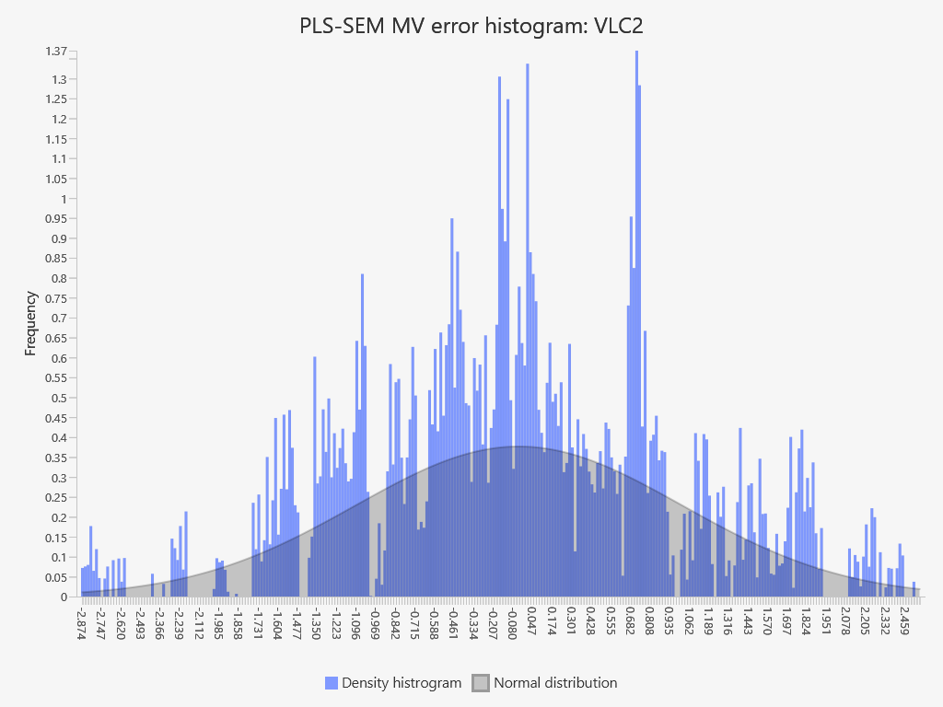
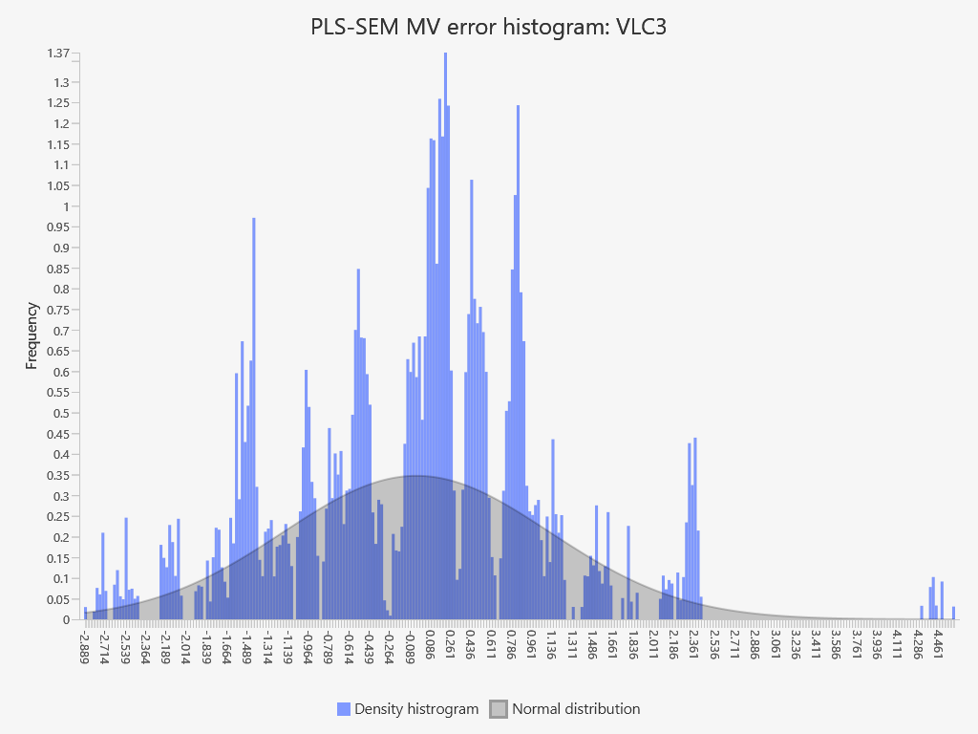
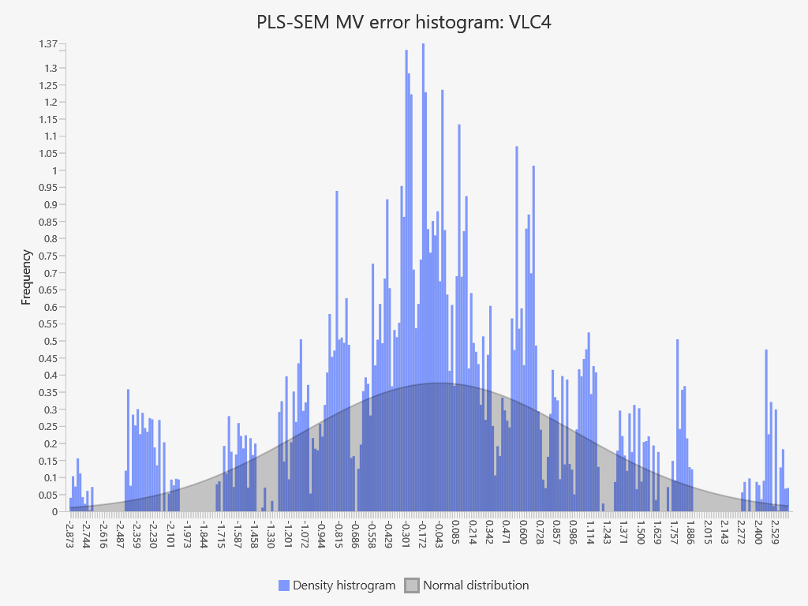
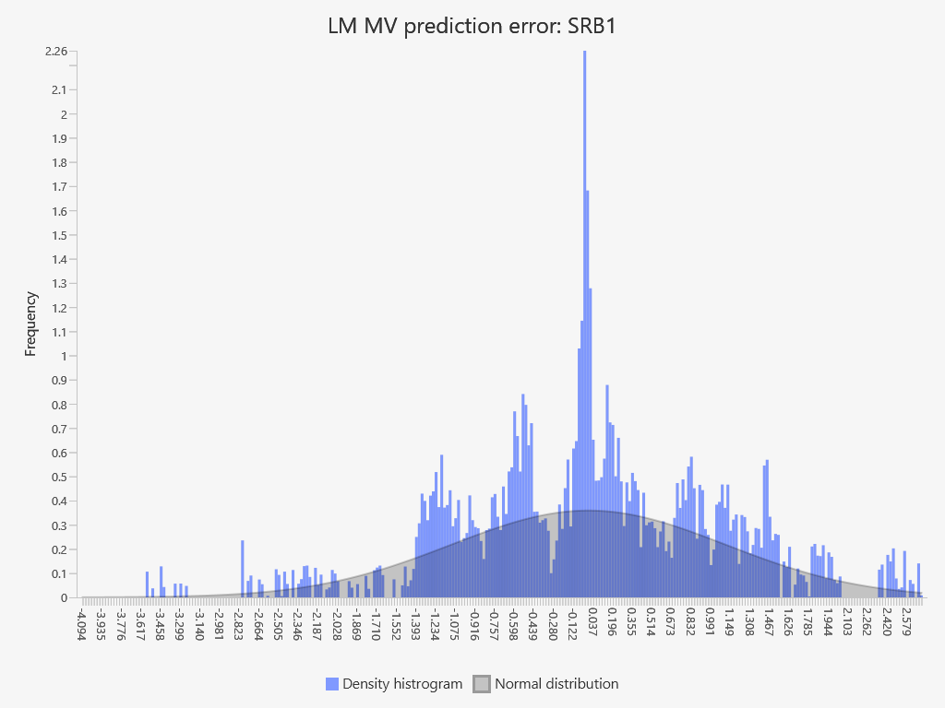
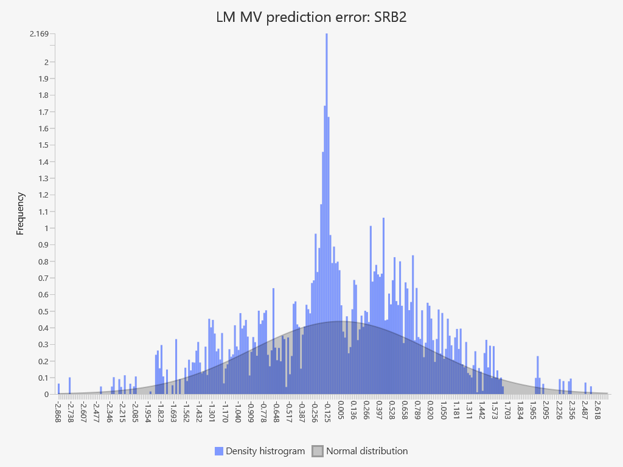
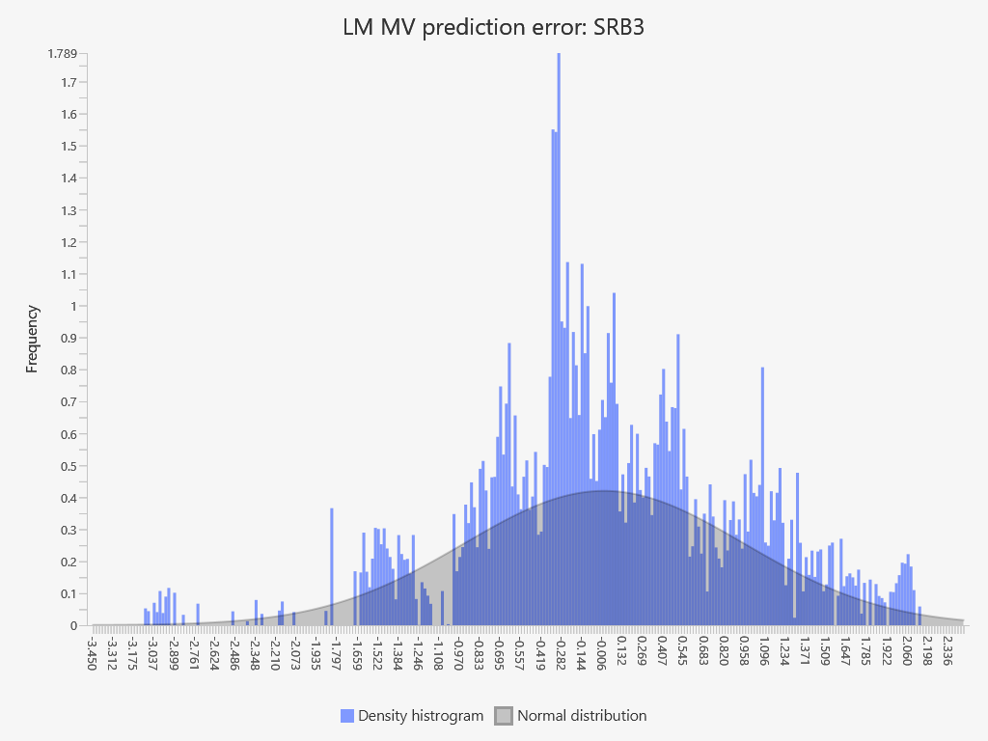
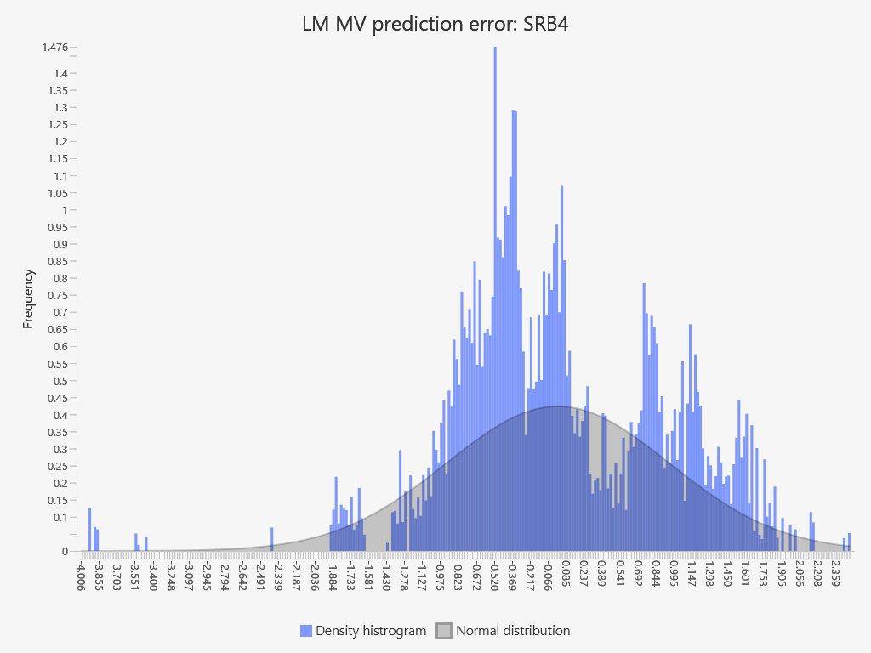
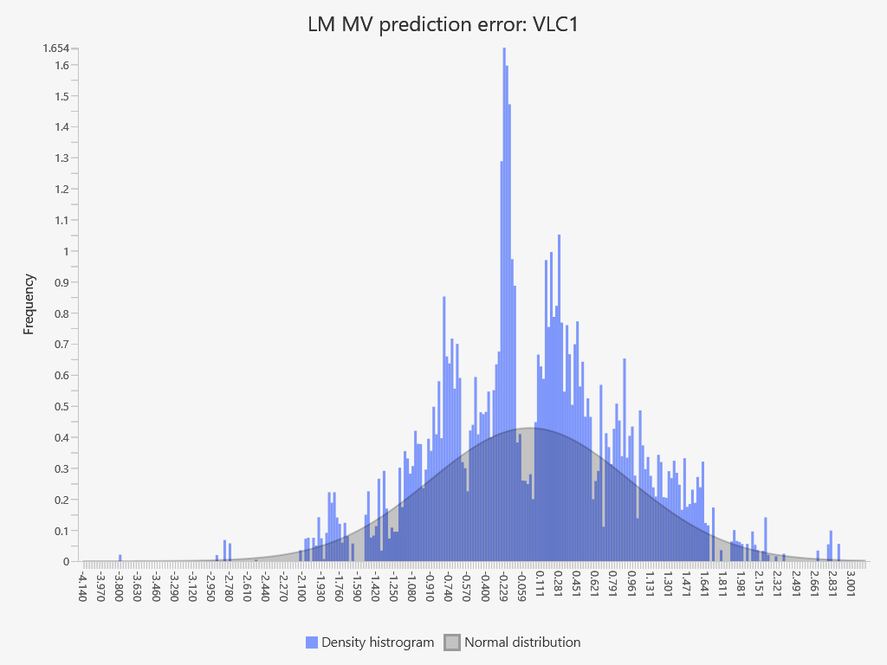
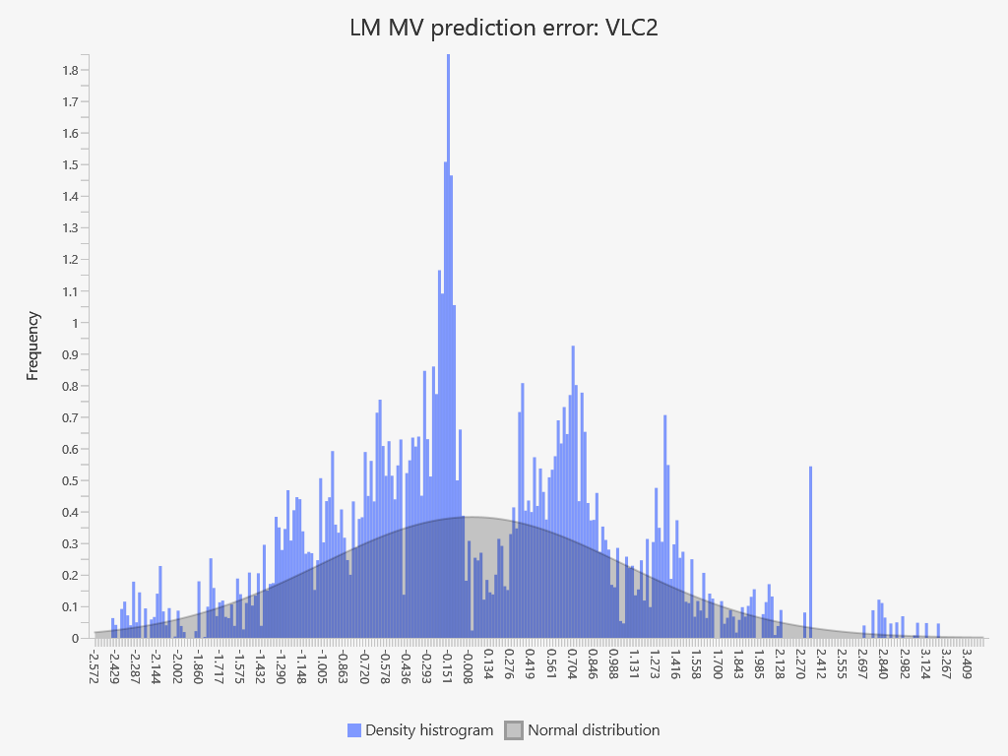
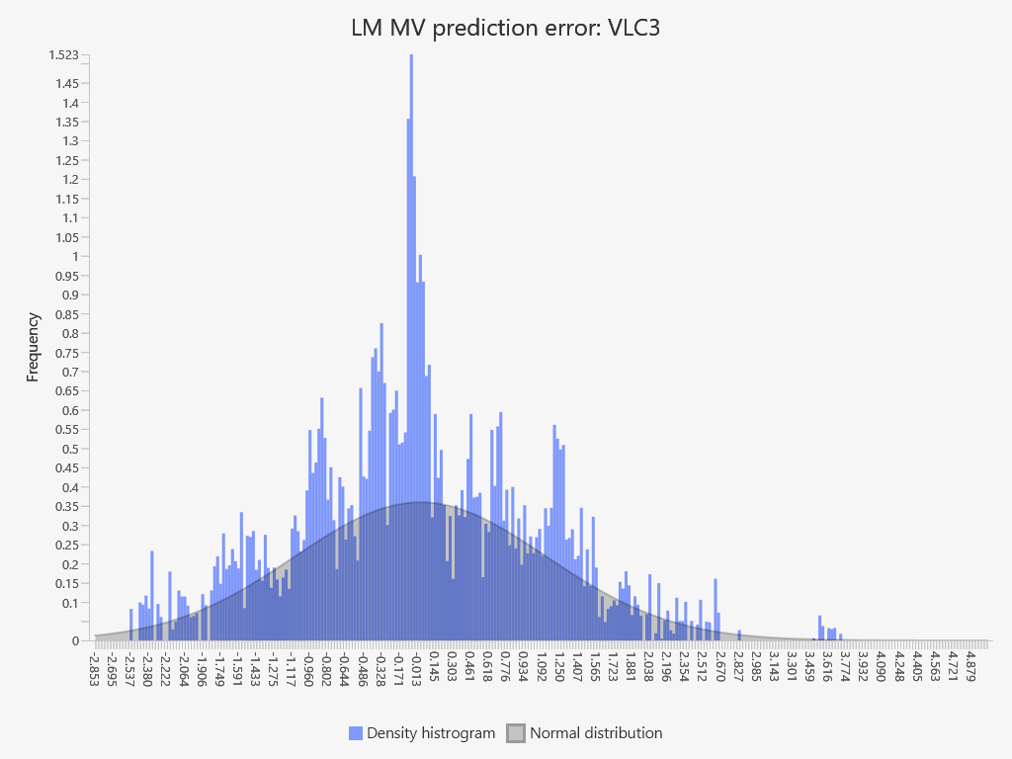
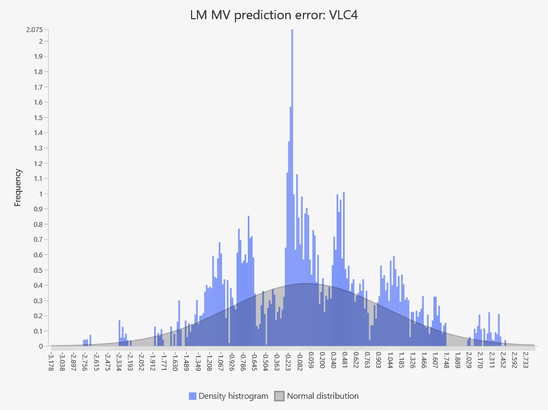
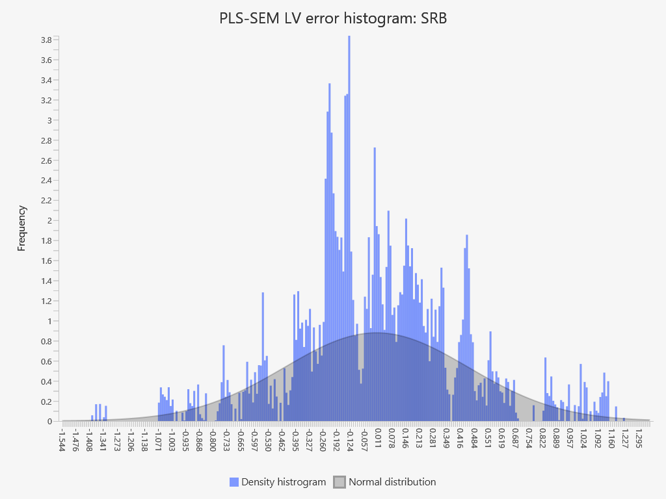
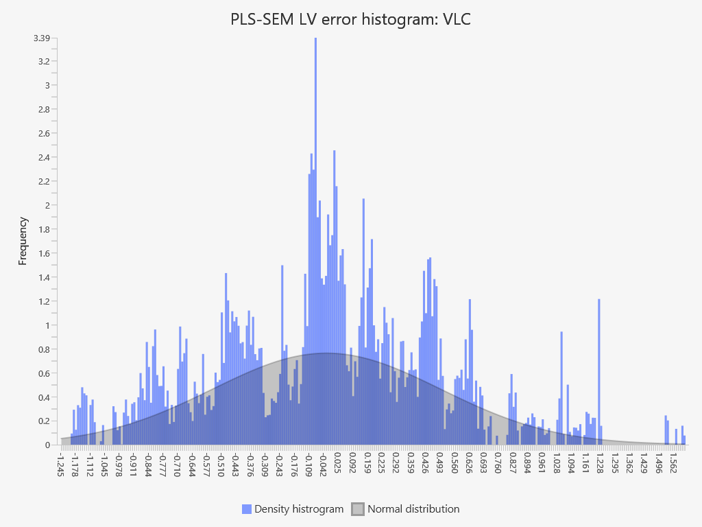
SmartPLS report
Please cite the use of SmartPLS: Ringle, C. M., Wende, S., and Becker, J.-M. 2024. "SmartPLS 4." Bönningstedt: SmartPLS, https://www.smartpls.com.

